Sheet2
BUG ID | PRIORITY | DESCRIPTION BUG SUMMARY | PRE- CONDITION | BUG STEPS | EXCEPTED RESULT | ACTUAL RESULT | STATUS | TEST EXECUTED BY | BROWSER/DEVICE | SCREENSHOT/VIDEO RECORDING

BUG_PO_001 | MAJOR | VALIDATE THE FORGET PASSWORD BUTTON AVAILABLE OR NOT | OPEN THE BROWSER ,ENTER THE URL https://proxify.gg/login | SEE THE FORGET PASSWORD AVAILABLE IN THE PAGE | USER SHOULD BE SEE FORGET PASSWORD AVAILABLE ON THE WEBSITE | USER SHOULD NOT SEE FORGET PASSWORD AVAILABLE ON THE WEBSITE | FAIL | PUNIT KUMAR | CHROME/FIREFOX/WINDOW10 | 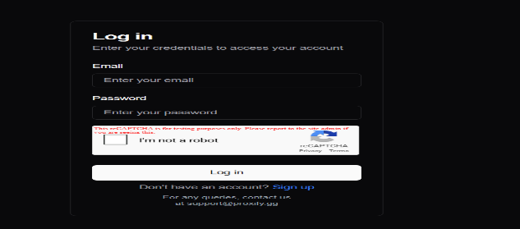

BUG_PO_002 | MAJOR | VALIDATE THE CLICK ON THE For any queries, contact us at support@proxify.gg | OPEN THE BROWSER ,ENTER THE URL https://proxify.gg/login | CLICK THE ON THE For any queries, contact us at support@proxify.gg | USER SHOULD BE SEE THE MANY OPTION LIKE CONTACT NUMBER AND EMAIL ID | USER SHOULD BE SEE THE ONLY THE EMAIL ID BUT CONTACT NUBER NOT SEE | FAIL | PUNIT KUMAR | CHROME/FIREFOX/EDGE/WINDOW 10 | 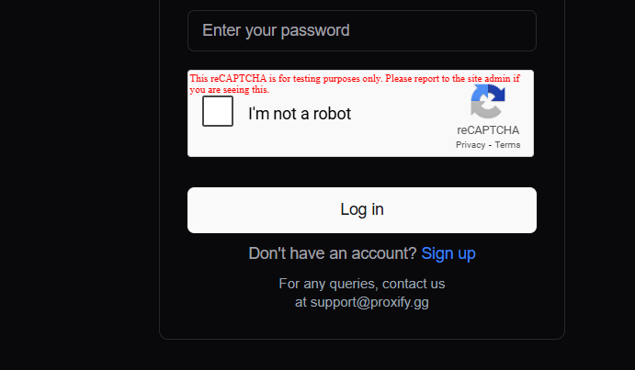

BUG_PO_003 | MAJOR | VERIFY THE PLANS OF RESIDENTIALS AND GO TO THE BUY OPTION SELECT THE CRYPTO | OPEN THE BROWSER ,ENTER THE URL https://proxify.gg/loginENTER THE EMAIL , PASSWORD , CLICK ON THE CHECK BOX AND SINGIN | CLICK ON THE PLANS AND GO THE BUY OPTIONS SELECT CRYRTO | BUY PAGE OPEN THE ANOTHER TAB | BUY PAGE OPEN THE SAME TAB | FAIL | PUNIT KUMAR | 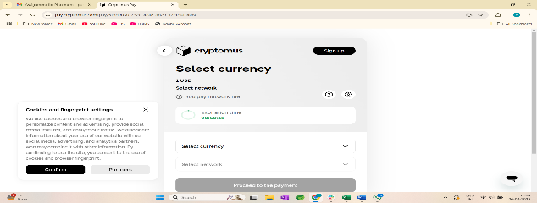 CHROME/FIREFOX

BUG_PO_004 | MAJOR | VERIFY THE PLANS OF RESIDENTIALS AND GO TO THE BUY OPTION SELECT THE BALANCE | OPEN THE BROWSER ,ENTER THE URL https://proxify.gg/loginENTER THE EMAIL , PASSWORD , CLICK ON THE CHECK BOX AND SINGIN | CLICK ON THE PLANS AND GO THE BUY OPTIONS SELECT BALANCE | USER SHOULD BE BUY THE PLAN WITH BALANCE ALSO | WEBSITE CAN SHOW THE ERROR MESSAGE | FAIL | PUNIT KUMAR | CHROME

BUG_PO_005 | CRITICAL | VERIFY THE ON THE INVOICES #EOB164CC,#3430F4EB WHEN THE SUB TOTAL IS $100 AND DISCOUNT IS $12333.00 | OPEN THE BROWSER ,ENTER THE URL https://proxify.gg/loginENTER THE EMAIL , PASSWORD , CLICK ON THE CHECK BOX AND SINGIN | CLICK ON THE INVOICE AND SEE THE HISTORY OF THE BILL | USER SHOULD GET THE DISCOUNT UNDER THE SUBTOTAL PRICE | USER SHOULD GET THE MORE DISCOUNT THAN SUBTOTAL | FAIL | PUNIT KUMAR | CHROME | N/A

BUG_PO_006 | CRITICAL | VERIFYTHE TOPUP ADD FUND | OPEN THE BROWSER ,ENTER THE URL https://proxify.gg/loginENTER THE EMAIL , PASSWORD , CLICK ON THE CHECK BOX AND SINGIN | CLICK ON THE TOPUP AND SEE THE HISTORY OF THE BILL | USER SHOULD BE MORE THAN ONE OPTION | ONLY ONE OPTION | FAIL | PUNIT KUMAR | CHROME | 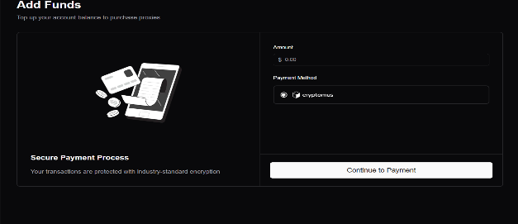

BUG_PO_007 | MINOR | VERIFY THE ALIMENT ON THE BROWSER | OPEN THE BROWSER ,ENTER THE URL https://proxify.gg/loginENTER THE EMAIL , PASSWORD , CLICK ON THE CHECK BOX AND SINGIN | SWITCH TO USER AND CLICK USERS | IN THE BROWSER LIKE CHROME ALL THE ALIMENT IS CORRECT | IN THE CHROME IT HIDE THE SOME INFORMATIONS | FAIL | PUNIT KUMAR | CHROME | 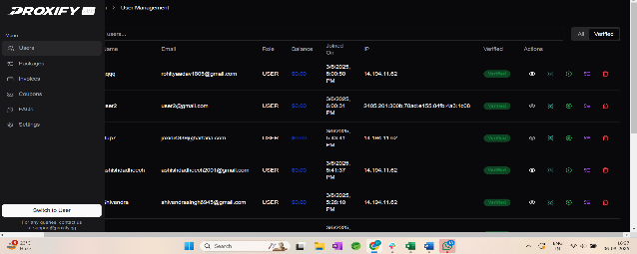

BUG_PO_008 | MINOR | VERIFY THE THE INVOICE IN SWITCH TO USER MODE AND CLICK ON THE PENDING | OPEN THE BROWSER ,ENTER THE URL https://proxify.gg/loginENTER THE EMAIL , PASSWORD , CLICK ON THE CHECK BOX AND SINGIN | SWITCH TO USER AND CLICK USERS | USER SEE ONLY PENDING PAYMENTS | USER SEE ALL THE PAYMENTS | FAIL | PUNIT KUMAR | CHROME

BUG_PO_009 | MAJOR | VERIFT THE SETTING BUTTON GO THE CUSTOMER PLANS ENTER THE BIG NUMBER AND NEGATIVE NUMBER IN ALL BOX AND UPDATESETTING | OPEN THE BROWSER ,ENTER THE URL https://proxify.gg/loginENTER THE EMAIL , PASSWORD , CLICK ON THE CHECK BOX AND SINGIN | SWITCH TO USER AND CLICK SETTING | CUSTOMER PLAN TAKE VALIDE NUMBER AND POSITIVE NUMBER | CUSTOMER PLAN TAKE BIG NUMBER AND NEGATIVE NUMBER | FAIL | PUNIT KUMAR | CHROME

BUG_PO_010 | MINOR | VERIFY THE TOPPUP AND PAYMENT OPTION Minimum Deposit Amount,Maximum Deposit Amount,Minimum Claim Amount | OPEN THE BROWSER ,ENTER THE URL https://proxify.gg/loginENTER THE EMAIL , PASSWORD , CLICK ON THE CHECK BOX AND SINGIN | SWITCH TO USER AND CLICK SETTING | TOPUP AND PAYMENT OPTION TAKE ONLY THE POSTIVE NUMBER | TOPUP AND PAYMENT OPTION TAKE BOTH NEGATIVE NUMBER | FAIL | PUNIT KUMAR | CHROME

